SCRIPT
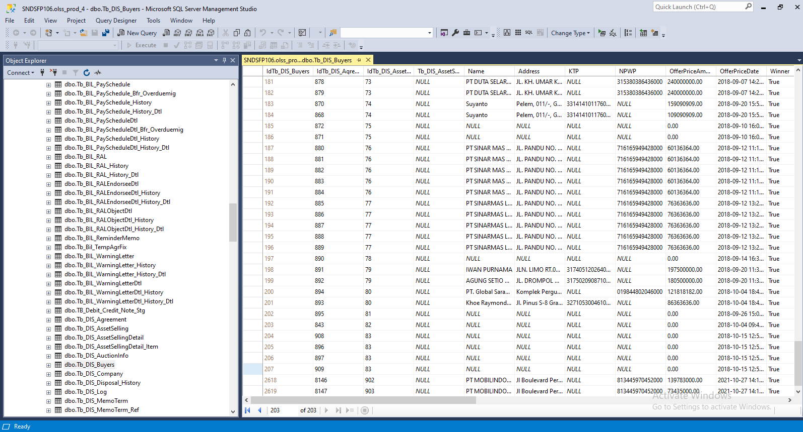
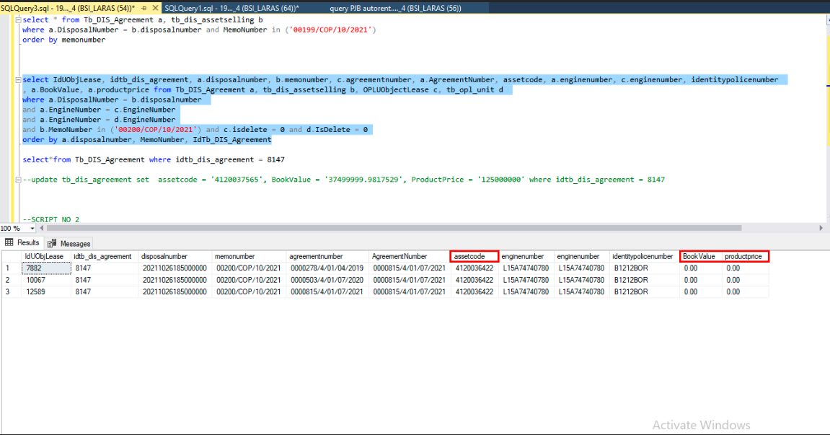
update tb_dis_agreement set assetcode = '4120037565', BookValue = '37499999.9817529', ProductPrice = '125000000' where idtb_dis_agreement = 8147

Insert TB_DIS_BUYERS

SCREENSHOOT
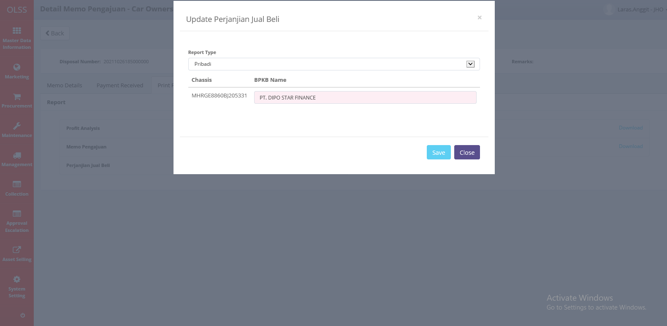
MEMO 00199/COP/10/2021



MEMO 00200/COP/10/2021

